MASTER AUGUST TRANS LUNCH
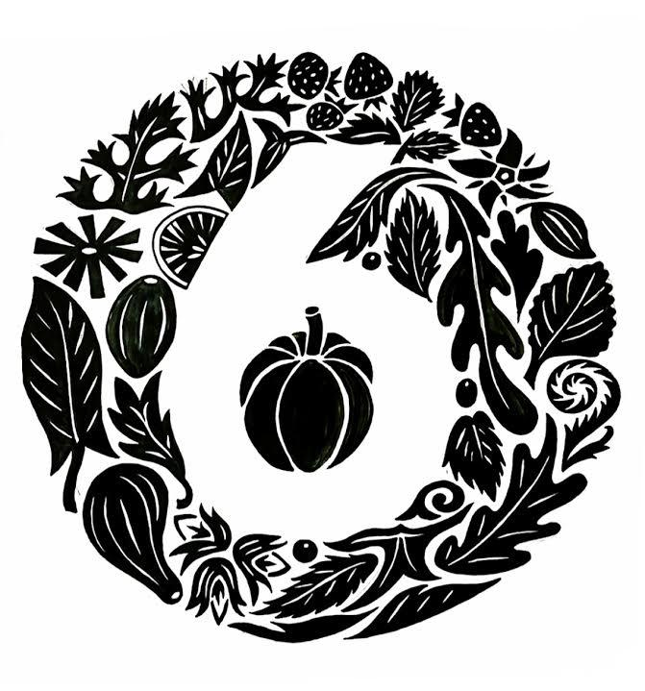
 |  |  |  | Summer Cherry Margarita - Tequila & Lime
 |  |  |  | August ois the Time for it - Portland Pimms No 1 Cup
 |  | Hugo's Hugo Spritz - Cheap Prosecco, St Germain & Mint
 |  | It's Probably Spritz Season - Terrace, Drinks - Occasional SUN
 |  | Americano - The One with Campari or The Classic Aperol Spritz
 |  | English Strawberry Lemonade (NON)

 |  |  |  | All Cocktails at Lunch & Early Dinner £7 - 7 Cocktails Before 7pm

SIX PORTLAND ROAD |  | Dreaming of a Summer Holiday - Start with a Pimm's Though

Snacks

Steak Tartare & Melba Toast Sandwich |  |  |  | £5
Fresh Cheese, Bimbi's Olive Oil & Croutons |  |  |  | £5
Suffolk Salami with Cornichons |  |  |  | £4
'Mild English Padron Peppers & Rich Mayonnaise with a Kick |  |  |  | £5
To Start

Summer Crab Salad, Watercress, Radishes, & Toast |  |  |  | £18
Parlour's Smoked Salmon, Cherry Tomatoes, Sorrel & Crème Fraîche |  |  |  | £14
Proudly British Tomato, Oregano, Mint & Cherry Salad |  |  |  | £12
Whole Globe Artichoke Vinaigrette |  |  |  | £13

Main Courses

Fillet of Cod, Samphire, Roast Tomatoes & Lobster Sauce |  |  |  | £34
Butterflied Sea Bream, Creamed Spinach & Peppers |  |  |  | £34
Butcher's Steak, Bearnaise Butter, Grilled Summer Beans & Chips |  |  |  | £38
Fried Potato Cake with Peas, Broad Beans, Mint & 'Sour Cream' |  |  |  | £15
 |  |  |  | £28

On the Side

Koffman's Chips or Jersey Royals |  |  | All At £5
Fine Beans - Runner Beans - Some Green-ish Beans?!
A Bowl of Buttered Greens
A Simple But Beautiful Green Salad or a Large One for £9

 | OUR SEASONAL AUGUST DAILY SET MENU

 | 2 Courses £25.00 or 3 Courses £29.50

 | THAT Soda Bread of Course

 | Chilled Fennel Soup with Oranges & Green Sauce
 | Summer Beans, Hazelnuts & Whipped Goat's Cheese
 | A Beautiful Salad of Flourish Lettuces with a Lemon Dressing
 | _______________
 | Cold Poached Salmon, Cucumber, Jerseys, Dill & Olive Oil
 | Brined Pork Chop, Romesco Sauce & Fennel Salad
 | Courgette Flower Quiche, Sorrel & Frizzy Endive Salad
 | _______________
 | All Things Bloom Affogato (Decaf Available)
 | Raspberry Jelly, Lemon Sorbet & Crème Fraiche
 | Brighton Blue, Pine Cone Jam & Soda Bread

A discretionary service charge of 12.5% will be added to all bills
£2pp will be added to your bill as a cover charge, including bottomless Peckham Spring or Gazzy water.
Have you been to our other place? @parlouruk - A very local and rickety pub in Kensal Green
Six Portland Road is Open 7 Days a Week 12-3pm & 5:30-10pm

